(報考年級)2022秋季賽至2023總決賽
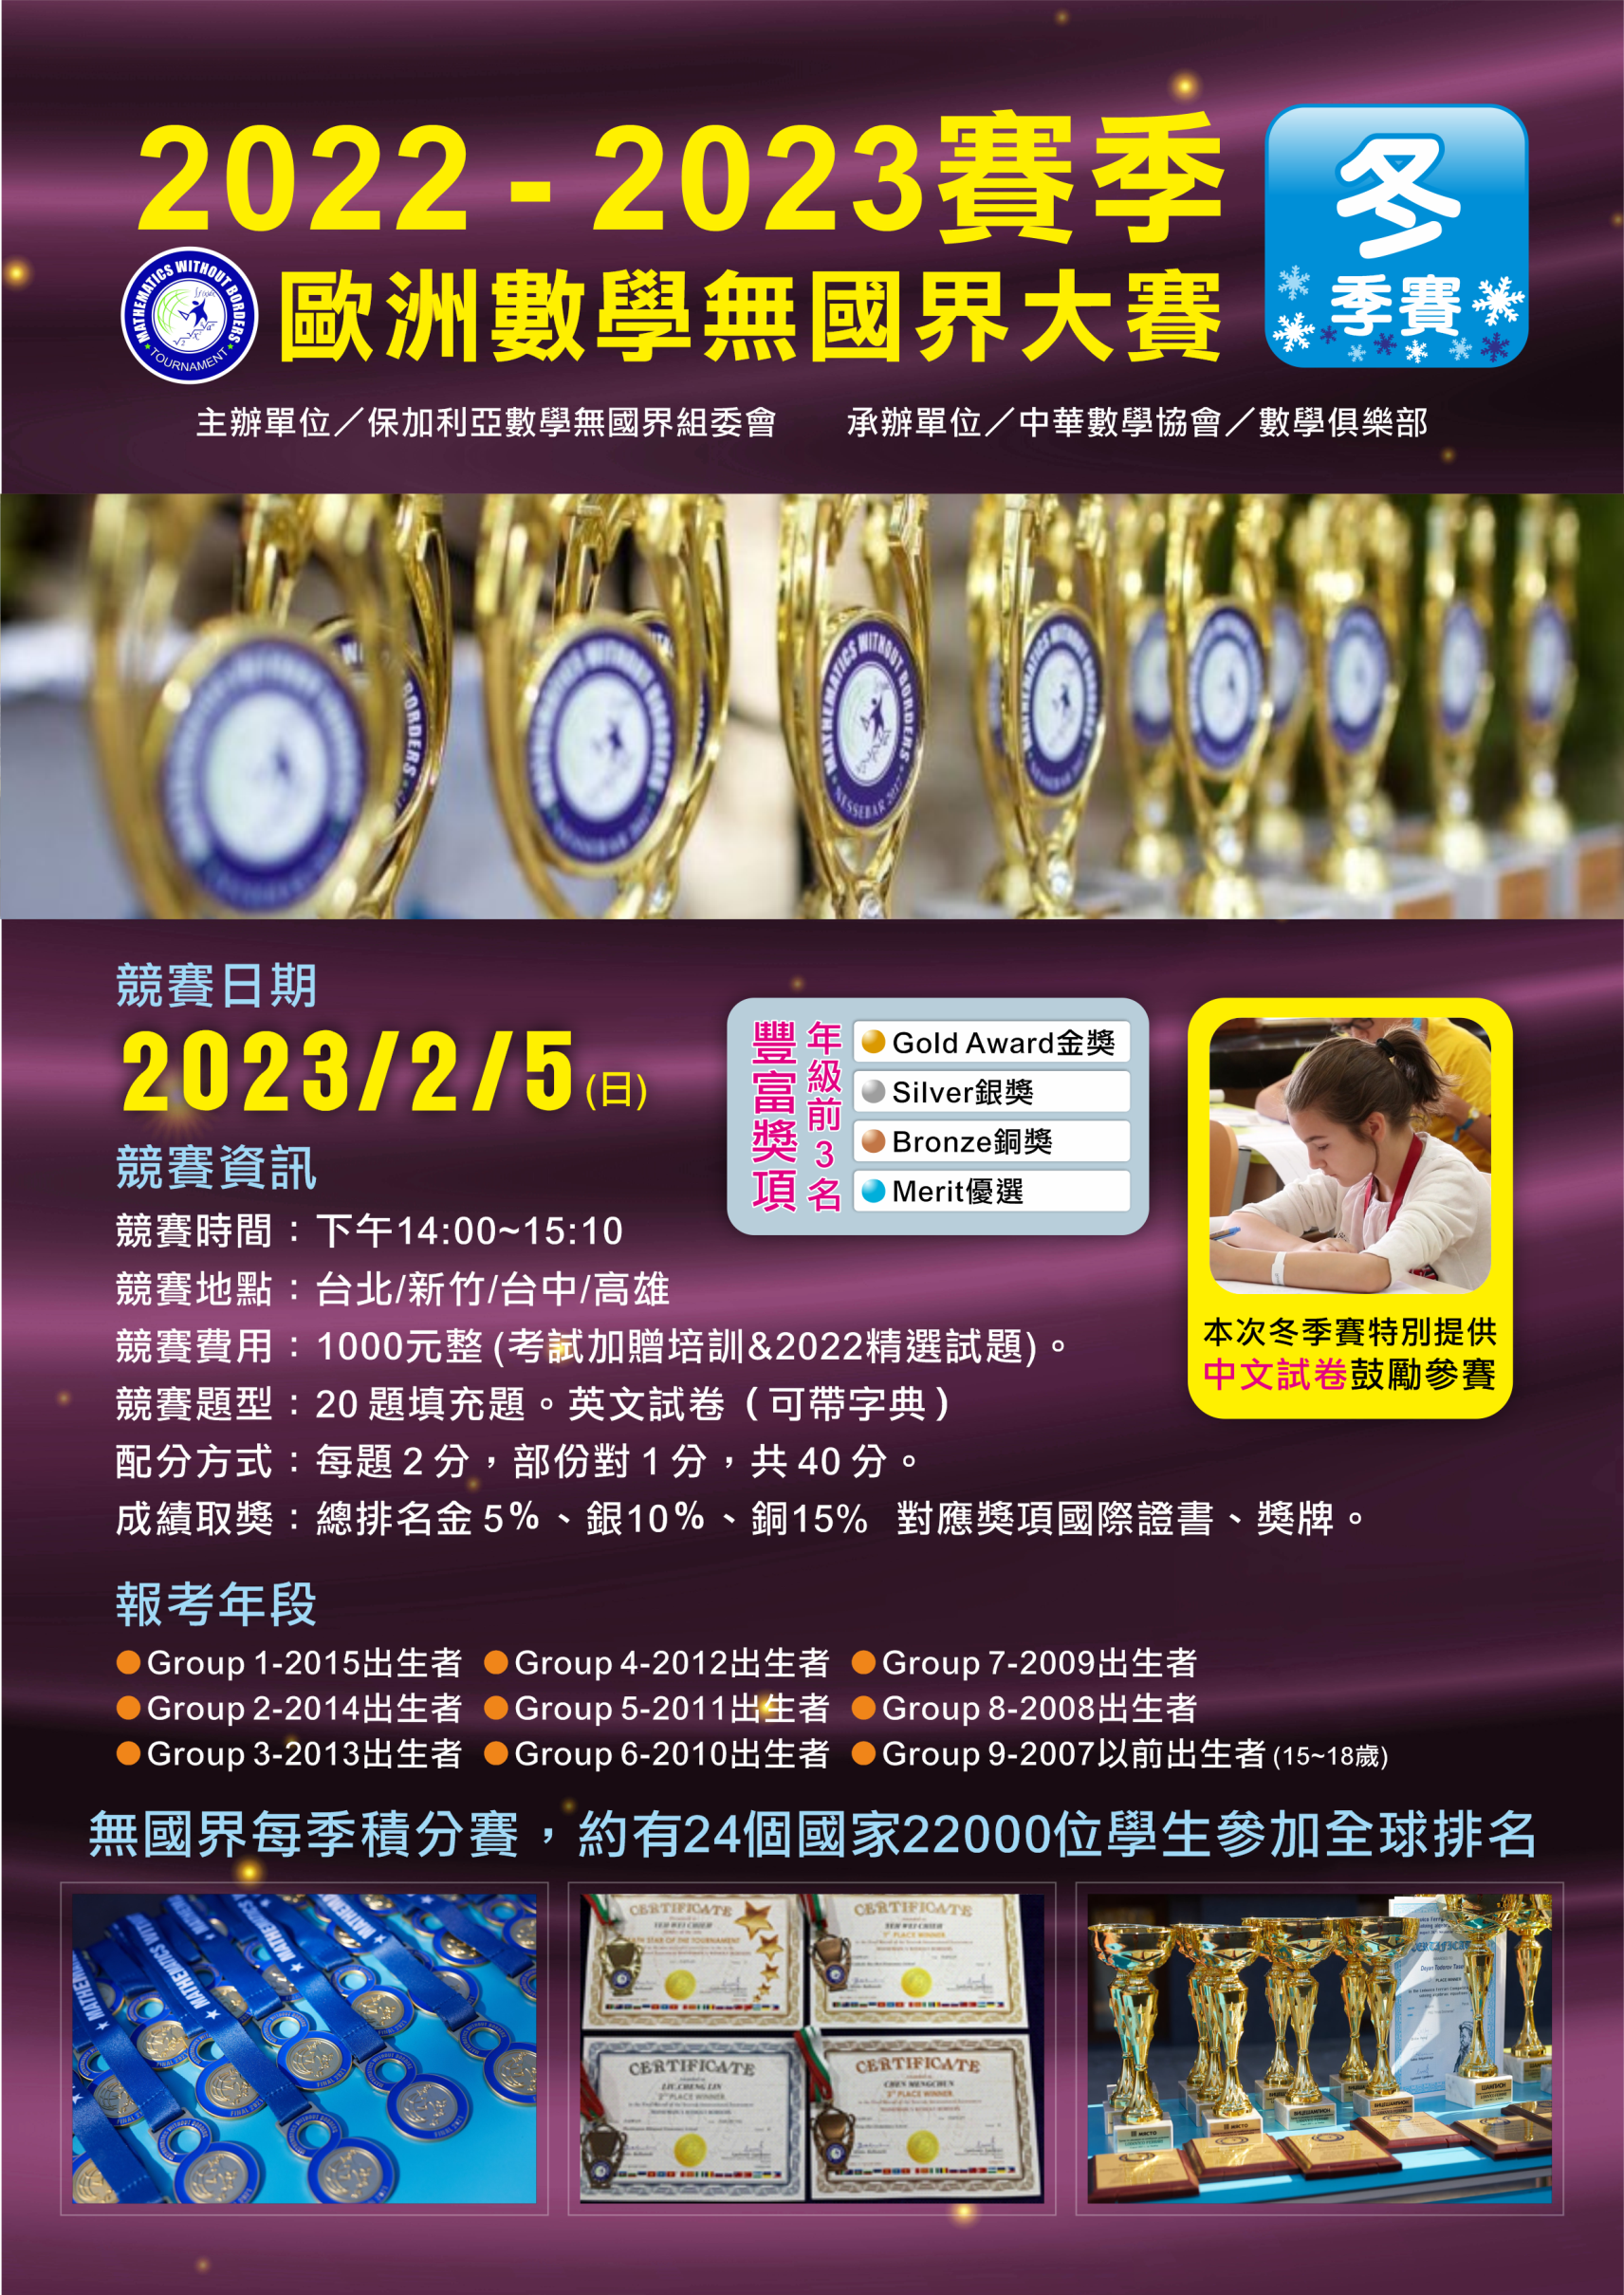
The tournament is for students aged 7 to 18 years, divided into nine age groups.
 | Group 1 – students born in 2015 | Group 5 – students born in 2011
 | Group 2 – students born in 2014 | Group 6 – students born in 2010
 | Group 3 – students born in 2013 | Group 7 – students born in 2009
 | Group 4 – students born in 2012 | Group 8 – students born in 2008
 | Group 9 – students born in 2007 or earlier (15-18-year-old students)

